Sheet1
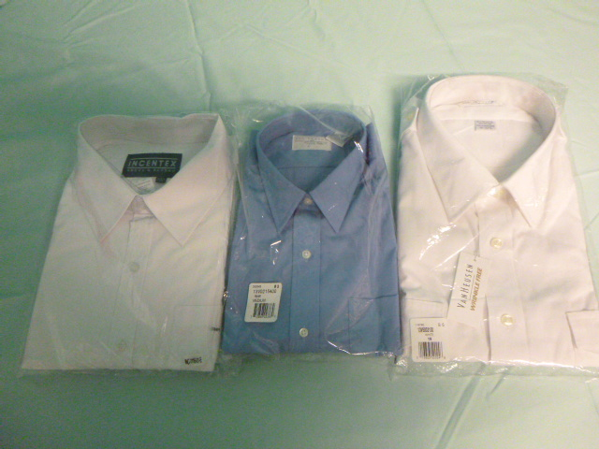
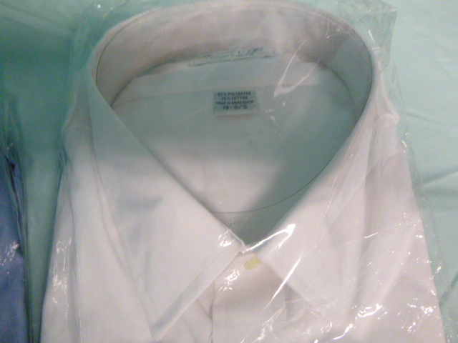
ITEM NUMBER | DESCRIPTION | QUANTITY
INC-1025-01-18/36 | White L/S Oxford Button Down Dress Shirt-Size 18x36 | 12
INC-1025-10-18/36 | Light Blue L/S Oxford Button Down Dress Shirt-Size 18x36 | 2
INC-1110-01-1XS | Ladies White S/S Blouse -Size XS | 116
INC-1110-01-2XS | Ladies White S/S Blouse -Size 2XS | 126
INC-1110-01-A | Ladies White S/S Blouse -Size Small | 77
INC-1110-01-B | Ladies White S/S Blouse -Size Medium | 81
INC-1110-01-C | Ladies White S/S Blouse -Size Large | 105
INC-1110-01-D | Ladies White S/S Blouse -Size XL | 99
INC-1110-01-E | Ladies White S/S Blouse -Size 2XL | 81
INC-1110-10-B | Ladies Light Blue Oxford S/S Shirt-Size Medium | 10
INC-1110-10-E | Ladies Light Blue Oxford S/S Shirt-Size 2XL | 7
INC-1112-01-1XS | Men's White S/S Shirt-Size XS | 22
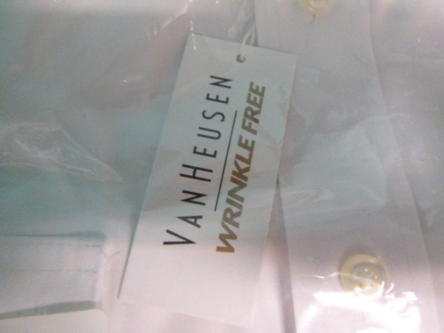
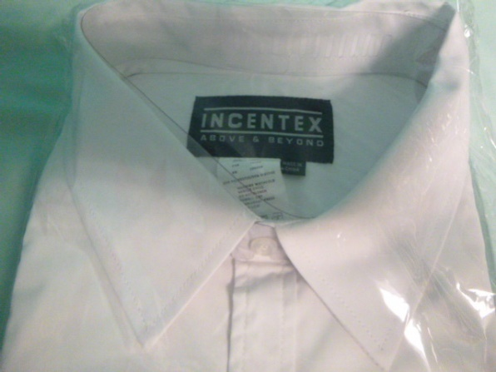
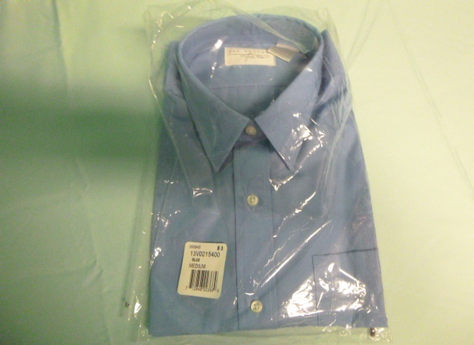
INC-1112-01-A | Men's White S/S Shirt-Size Small | 24
INC-1112-01-B | Men's White S/S Shirt-Size Medium | 173
INC-1112-01-C | Men's White S/S Shirt-Size Large | 74
INC-1112-01-D | Men's White S/S Shirt-Size XL | 3
INC-1112-01-E | Men's White S/S Shirt-Size 2XL | 18
INC-1112-01-F | Men's White S/S Shirt-Size 3XL | 104
INC-1112-01-G | Men's White S/S Shirt-Size 4XL | 83
INC-1112-01-H | Men's White S/S Shirt-Size 5XL | 93
INC-1114-01-1XS | Ladies White L/S Blouse -Size XS | 116
INC-1114-01-2XS | Ladies White L/S Blouse -Size 2XS | 111
INC-1114-01-A | Ladies White L/S Blouse -Size Small | 73
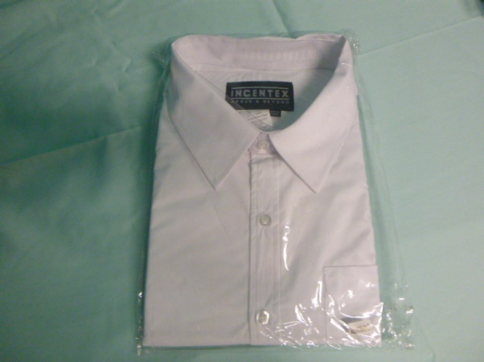
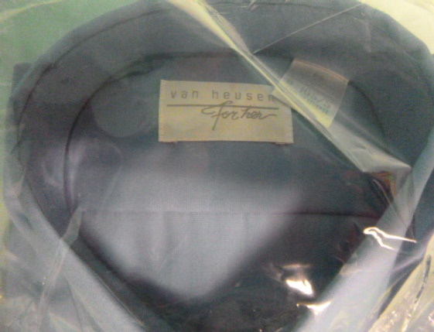
INC-1114-01-B | Ladies White L/S Blouse -Size Medium | 44
INC-1114-01-C | Ladies White L/S Blouse -Size Large | 72
INC-1114-01-D | Ladies White L/S Blouse -Size XL | 69
INC-1114-01-E | Ladies White L/S Blouse -Size 2XL | 74
INC-1116-01-1XS | Men's White L/S Shirt-Size XS | 36
INC-1116-01-A | Men's White L/S Shirt-Size Small | 10
INC-1116-01-B | Men's White L/S Shirt-Size Medium | 105
INC-1116-01-C | Men's White L/S Shirt-Size Large | 76
INC-1116-01-D | Men's White L/S Shirt-Size XL | 68
INC-1116-01-E | Men's White L/S Shirt-Size 2XL | 35
INC-1116-01-F | Men's White L/S Shirt-Size 3XL | 10
INC-1116-01-G | Men's White L/S Shirt-Size 4XL | 5
INC-1116-01-H | Men's White L/S Shirt-Size 5XL | 10
INC-1150-01-G | Men's White S/S Broadcloth Shirt-Size 4XL | 5
INC-130 | Silver Buckle for Unisex Belt - Matte Black Leather | 98
INC-1501-01-11 | Men's White S/S Aviator Pilot Shirt-Size 19 | 51
INC-1501-01-12 | Men's White S/S Aviator Pilot Shirt-Size 19.5 | 2
INC-1501-01-13 | Men's White S/S Aviator Pilot Shirt-Size 20 | 3
INC-1501-01-15 | Men's White S/S Aviator Pilot Shirt-Size 21 | 2
INC-1501-01-17 | Men's White S/S Aviator Pilot Shirt-Size 22 | 5
INC-1503-01-01 | Ladies White S/S Aviator Pilot Shirt-Size 4 | 3
INC-1503-01-05 | Ladies White S/S Aviator Pilot Shirt-Size 12 | 14
INC-1503-01-06 | Ladies White S/S Aviator Pilot Shirt-Size 14 | 4
INC-1505-01-14 | Men's White L/S Commander Pilot Shirt-Size 18.5 X 36/37 | 4
INC-1505-01-15 | Men's White L/S Commander Pilot Shirt-Size 19.5 X 34/35 | 3
INC-1505-01-16 | Men's White L/S Commander Pilot Shirt-Size 19.5 X 36/37 | 4
INC-1506-01-01 | Men's White S/S Commander Pilot Shirt-Size 14 | 18
INC-1506-01-11 | Men's White S/S Commander Pilot Shirt-Size 19 | 15
 | TOTAL: | 2,455

